Лист1
Bug Name: missing button"forgot the password" in Login form
Environment specs

Browser Google Chrome v.103.0.5060.134

Step to reproduce

1.Go to https://www.demoblaze.com/index.html

2.Click to Log in

Actual result

There is no button” forgot the password” then opening the Log in Form

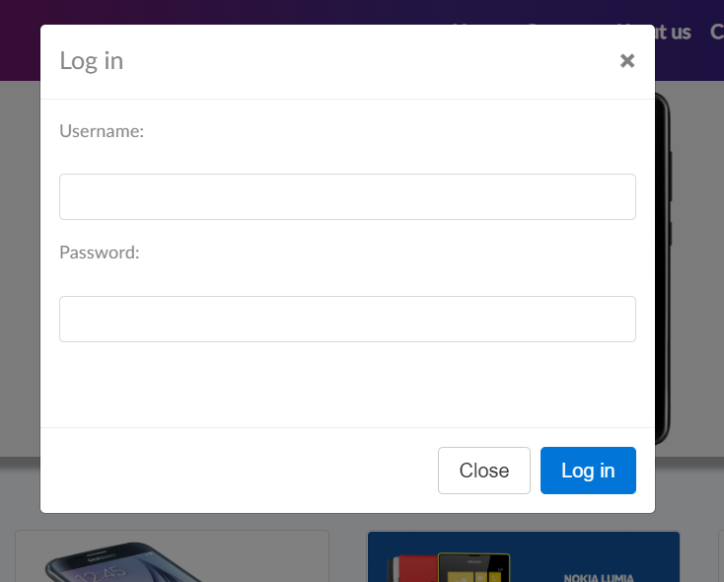

Expected result

In Login form there is a button “forgot the password“

Приоритет

Medium

